Sheet1
RWN Participant | UCLA Participant ID | ID in Stangl et al. | Ch 1 | Ch 2 | Ch 3 | Ch 4 | Stangl Localizations | Ch 1 (Stangl) | Ch 2 (Stangl) | Ch 3 (Stangl) | Ch 4 (Stangl)
RW1 | RNS37 | 1 | Left Entorhinal Cortex - Dentate Gyrus | Left Entorhinal Cortex - Lateral - CA1 - Subiculum | Right Anterior Hippocampus - Perirhinal/Subiculum | Right Ventrolateral Temporal Cortex |  | Left Subiculum | Left Subiculum | Right Hippocampus/PRC
RW2 | R20 | 3 | Left Entorhinal Cortex - Perirhinal Cortex | Left Ventrolateral Temporal Cortex | Right Subiculum - Perirhinal | Right Anterior Fusiform Gyrus - Ventroateral Temporal Cortex |  | Left ERC/PRC |  | Right Subiculum/PRC
RW3 | R19 | 2 | Left Entorhinal - Anterior Hippocampus (Subiculum?) | Left Anterior Hippocampus (Subiculum?) - Perirhinal | Left Amygdala - Anterior Hippocampus | Left Anterior Hippocampus - Mid Hippocampus |  | Left Subiculum | Left Hippocampus/PRC | Left Hippocampus | Left Hippocampaus
RW4 | R124 |  | Left Amygdala - Hippocampus (Dentate Gyrus) | Left Mid Hippocampus - Posterior Hippocampus | Right Amygdala - Ventral hippocampus (CA1) | Right Hippocampus - Parahippocampal gyrus
RW5 | R122 |  | Left Amygdala - Hippocampus (Dentate Gyrus) | Left Mid Hippocampus - Posterior Hippocampus | Right Amygdala - Ventral hippocampus (subiculum) | Right Mid Hippocampus - Parahippocampal gyrus

 |  |  | Anterior Hippocampus is one of the bipolar electrodes | Orange of any type is any hippocampal electrode
 |  |  | Posterior Hippocampus is one of the bipolar electrodes |  |  |  |  | Stangl Extended Table 1
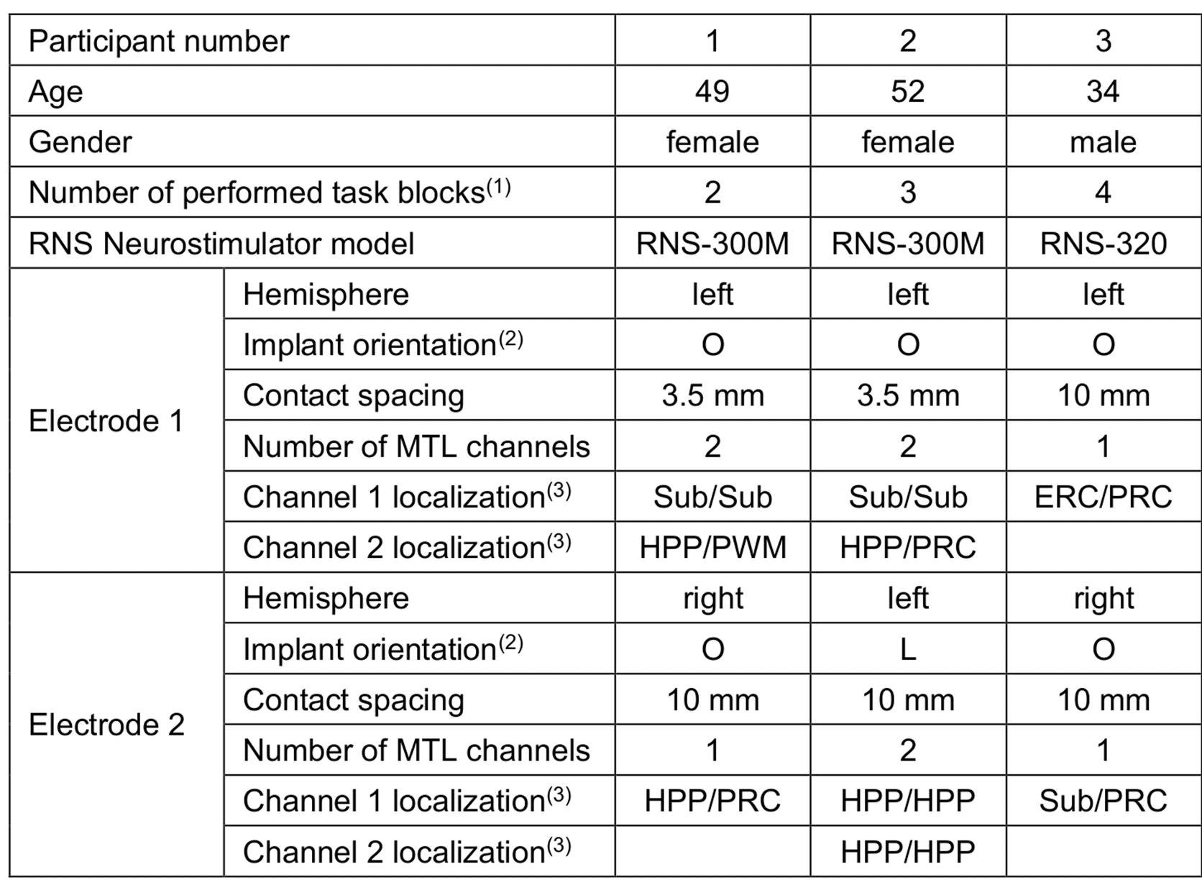
 |  |  | Entorhinal Cortex is one of the bipolar electrodes

 |  |  | Lateral Temporal Cortex is one of the bipolar electrodes

